NaiveBayes
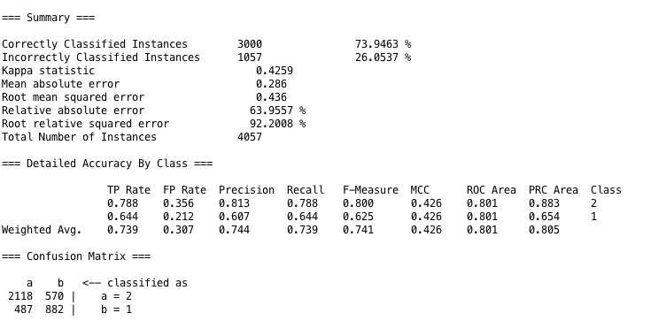
Test 1 | Attribute Evaluator | Search Method
Attributes Selected | CfsSubSetEval | GreedyStepwise

Classifier Method | NaiveBayes

Logistic
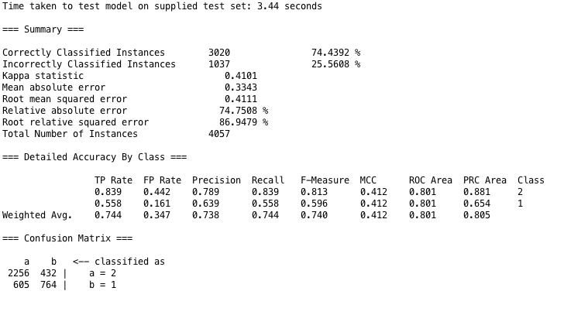
Test 1 | Attribute Evaluator | Search Method
Attributes Selected | CfsSubSetEval | GreedyStepwise

Classifier Method | Logistic

RandomForest
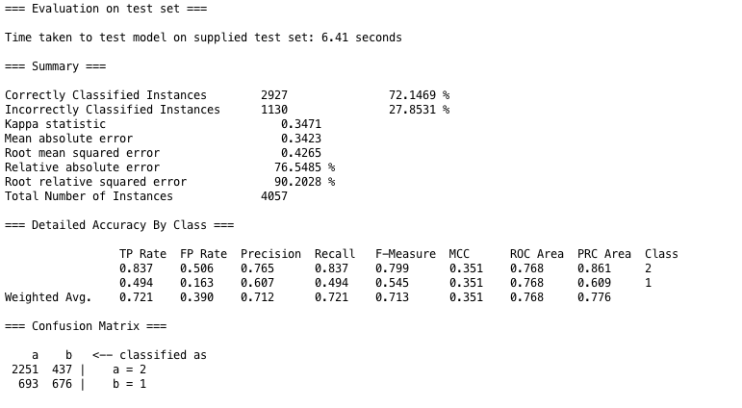
Test 1 | Attribute Evaluator | Search Method
Attributes Selected | CfsSubSetEval | GreedyStepwise

Classifier Method | RandomForest

RandomTree
Test

Test 1 | Attribute Evaluator | Search Method
Attributes Selected | CfsSubSetEval | GreedyStepwise

Classifier Method | RandomTree
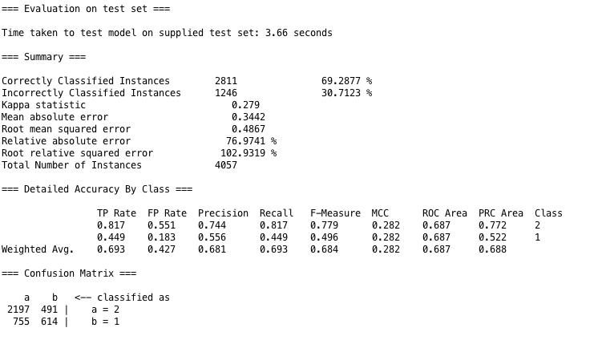

 |  |  | $

IBK
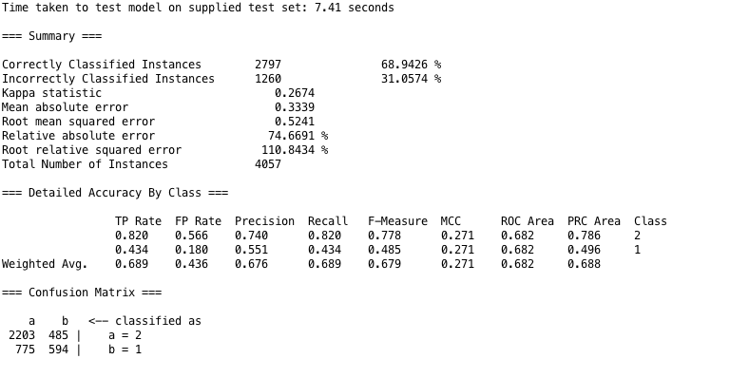
Test 1 | Attribute Evaluator | Search Method
Attributes Selected | CfsSubSetEval | GreedyStepwise

Classifier Method | IBK

OneR
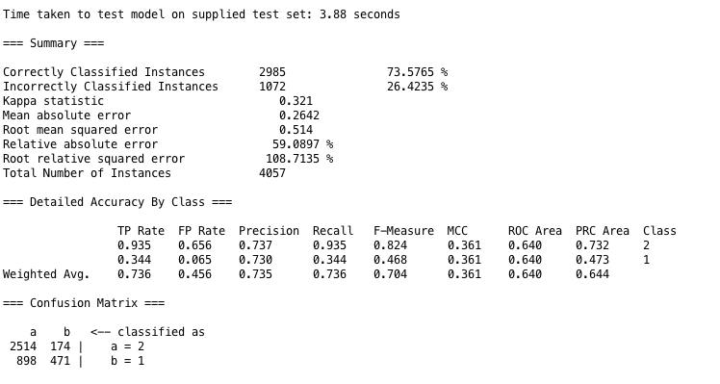
Test 1 | Attribute Evaluator | Search Method
Attributes Selected | CfsSubSetEval | GreedyStepwise

Classifier Method | OneR

